DATA
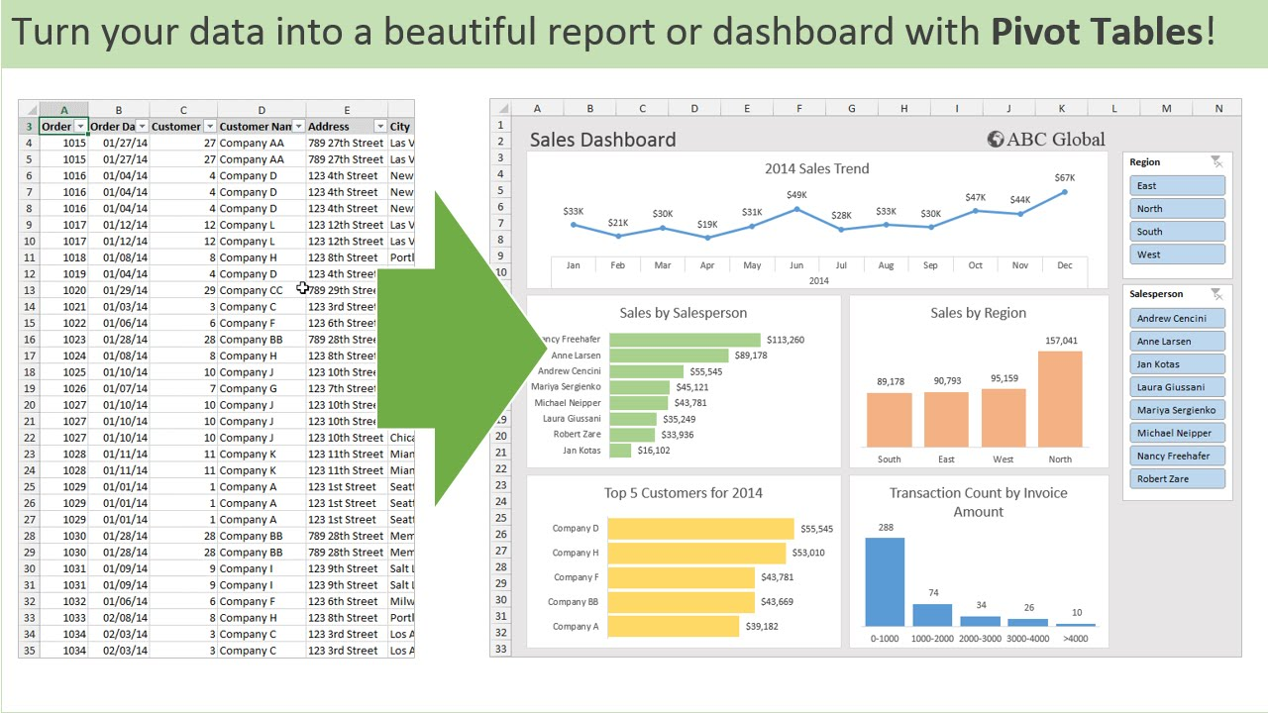
A | B | C | D | E
ORDER | ORDER DATE | CUSTOMER | CUSTOMER NAME | ADDRESS | CITY | SALES | REGION | SALESPERSON
1015 | 2025-01-01 | 27 | COMPANY VBA | 789 STREET ROAD | VIKROLI | 500000 | EAST | ABHINAV
1016 | 2025-02-15 | 8 | COMPANY A | 790 STREET ROAD | BHANDUP | 700000 | WEST | RAJESH
1017 | 2025-04-01 | 9 | COMPANY VBA | 791 STREET ROAD | MUMBAI | 300000 | NORTH | SURESH
1018 | 2025-05-16 | 35 | COMPANY TDS | 792 STREET ROAD | LOS ANGELAS | 250000 | SOUTH | KISHOR
1045 | 2025-06-30 | 10 | COMPANY A | 793 STREET ROAD | MULUND | 100000 | EAST | KRISHNA
1020 | 2025-08-14 | 15 | COMPANY TATA | 794 STREET ROAD | VIKROLI | 95000 | WEST | PRIYA
1090 | 2025-09-28 | 9 | COMPANY A | 795 STREET ROAD | BHANDUP | 300600 | NORTH | ABHINAV
1050 | 2025-11-12 | 9 | COMPANY XYZ | 796 STREET ROAD | MUMBAI | 87000 | SOUTH | RAJESH
1675 | 2025-12-27 | 3 | COMPANY A | 797 STREET ROAD | LOS ANGELAS | 75000 | EAST | SURESH
1024 | 2025-02-10 | 3 | COMPANY VBA | 798 STREET ROAD | MULUND | 100000 | WEST | KISHOR
1025 | 2025-03-27 | 27 | COMPANY XYZ | 799 STREET ROAD | VIKROLI | 61000 | NORTH | KRISHNA
1026 | 2025-05-11 | 3 | COMPANY TDS | 800 STREET ROAD | BHANDUP | 400000 | SOUTH | PRIYA
1000 | 2025-06-25 | 3 | COMPANY XYZ | 801 STREET ROAD | MUMBAI | 50000 | EAST | ABHINAV
1028 | 2025-08-09 | 4 | COMPANY VBA | 802 STREET ROAD | LOS ANGELAS | 340000 | WEST | RAJESH
1555 | 2025-09-23 | 4 | COMPANY TATA | 803 STREET ROAD | MULUND | 30000 | NORTH | SURESH
1030 | 2025-11-07 | 4 | COMPANY TATA | 804 STREET ROAD | VIKROLI | 250000 | SOUTH | KISHOR

DASHBOARD
SALES DASHBOARD

2025 SALES TREND
 | Total
Jan | 500000
Feb | 800000
Mar | 61000
Apr | 300000
May | 650000
Jun | 150000
Aug | 435000
Sep | 330600
Nov | 337000
Dec | 75000
SALES BY SALESPERSON
 | Total
ABHINAV | 850600
KISHOR | 600000
KRISHNA | 161000
PRIYA | 495000
RAJESH | 1127000
SURESH | 405000

SALES BY REGION
 | Total
NORTH | 691600
EAST | 725000
SOUTH | 987000
WEST | 1235000
TOP 5 CUSTOMERS 2025
 | Total
COMPANY VBA | 1240000
COMPANY A | 1175600
COMPANY TDS | 650000
COMPANY TATA | 375000
COMPANY XYZ | 198000
SALES BY ORDER
 | Total
1555 | 30000
1000 | 50000
1025 | 61000
1675 | 75000
1050 | 87000
1020 | 95000
1024 | 100000
1045 | 100000
1030 | 250000
1018 | 250000
1017 | 300000
1090 | 300600
1028 | 340000
1026 | 400000
1015 | 500000
1016 | 700000

